Sheet1
 |  | Comments | Interesting?
0 | 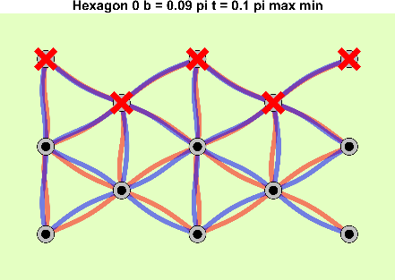
2 | 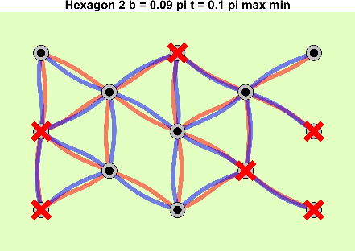 |  | Staggered wave progression
4 | 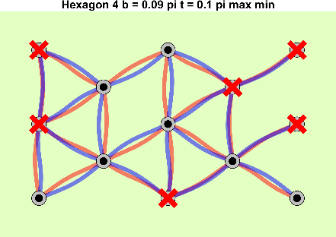
6 | 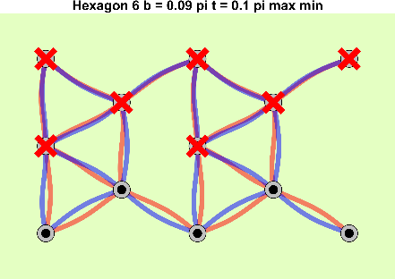
16 | 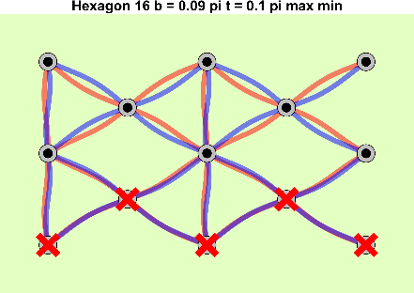
64 | 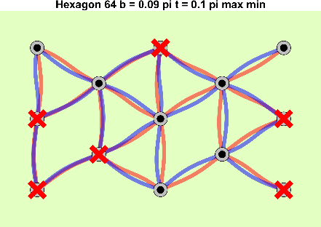
67 | 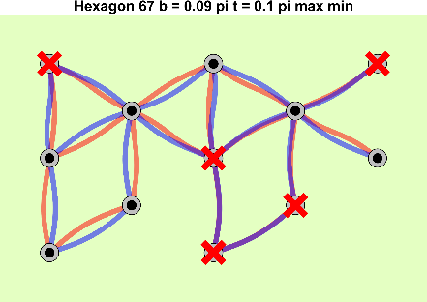 | Questionable prohibitive well
98 | 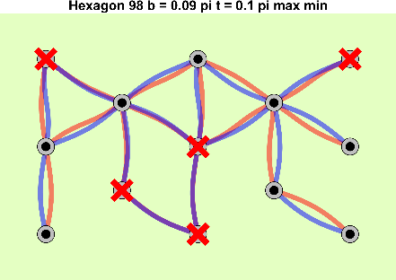 | Questionable prohibitive well
128 | 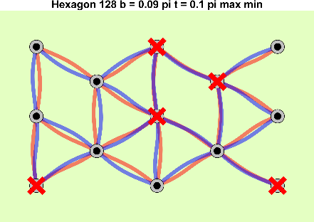 | Questionable prohibitive well
140 | 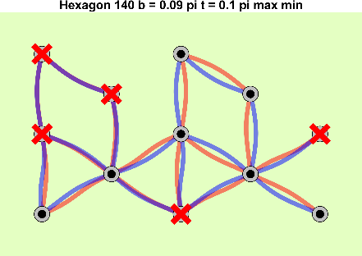 | Questionable prohibitive well
146 | 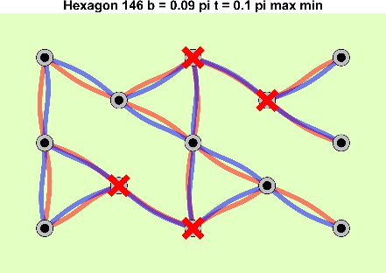
192 | 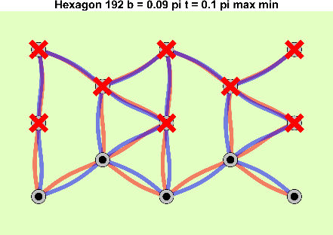
198 | 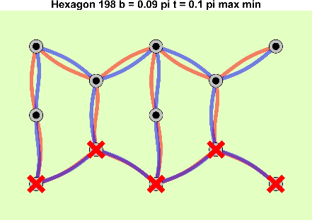
201 | 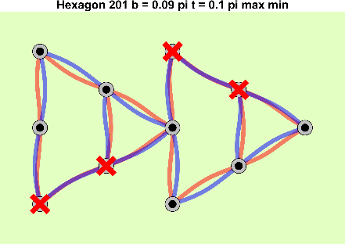 |  | Lightning Bolt Pattern
208 | 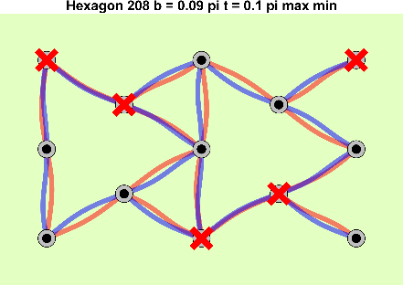 | Questionable Hinge
214 | 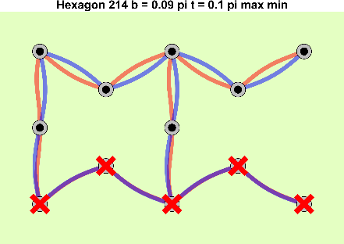 |  | Different principle than the hexagon (one arch in hinged-clamped esque shape)
245 | 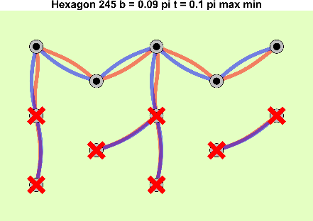
350 | 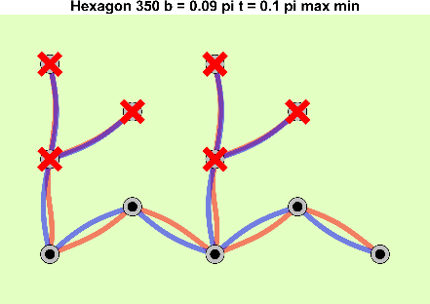
388 | 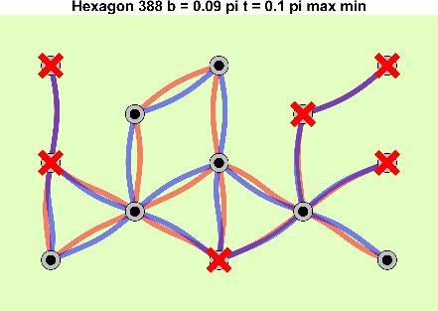 | Questionable hinge | Sequential snapthrough
549 | 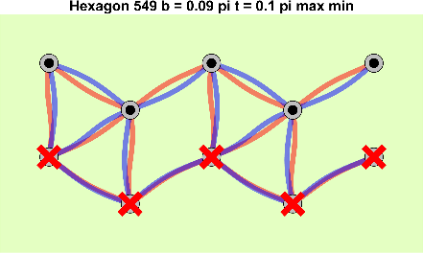
662 | 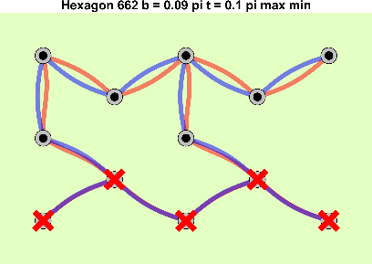
673 | 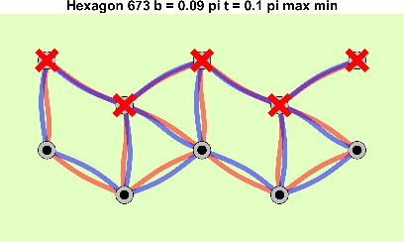
693 | 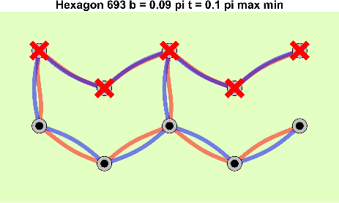
724 | 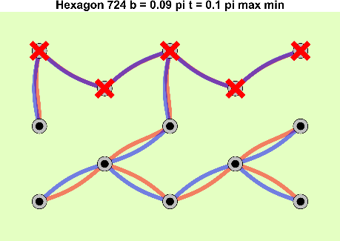 |  | Pretty
776 | 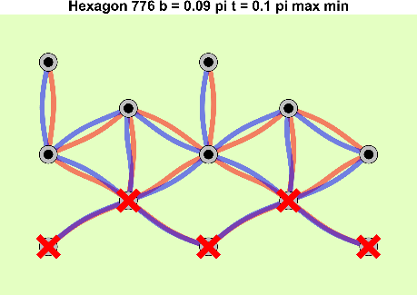
798 | 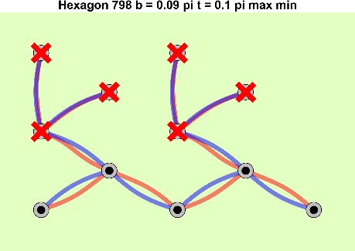
1057 | 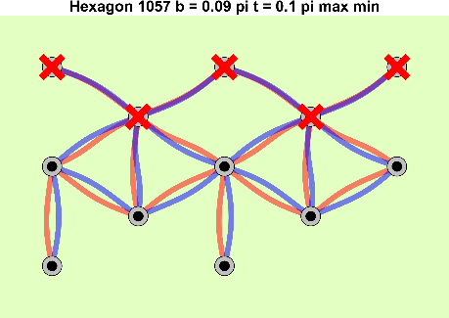
1079 | 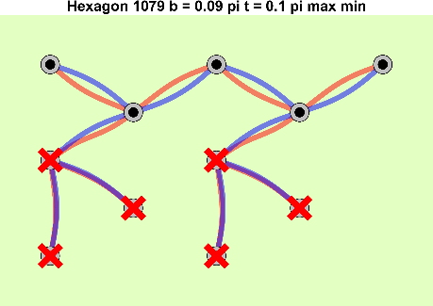 | 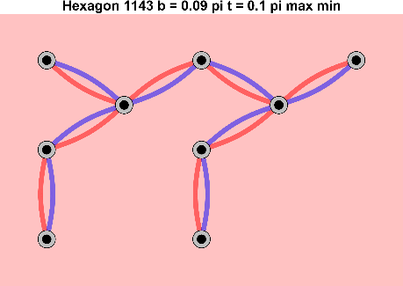 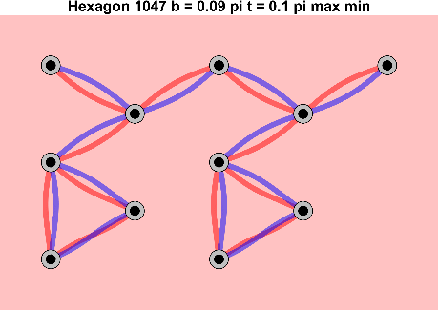 | Need two arches to act as a "battery" and have the arch be "hinged-clamped" to start
1110 | 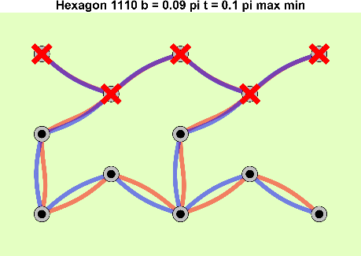
1203 | 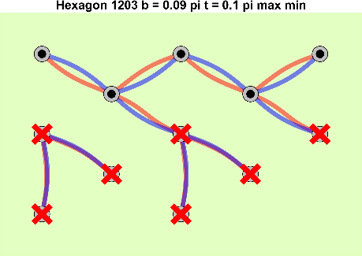
1234 | 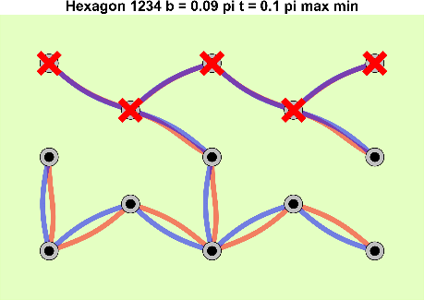
1282 | 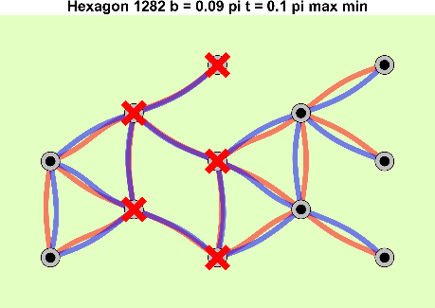 | How did the method find that the graph was connected?
1290 | 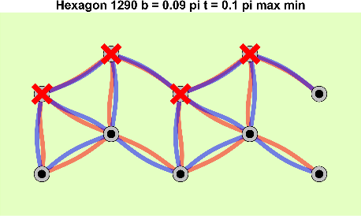
1312 | 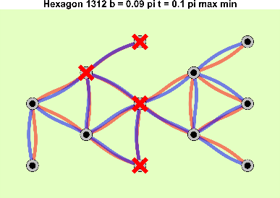 | How did the method find that the graph was connected?
1315 | 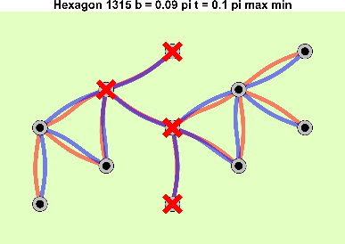 | How did the method find that the graph was connected?
1332 | 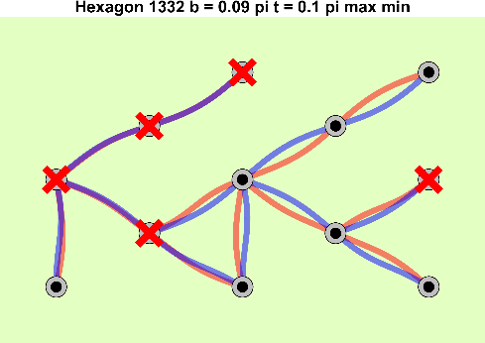 | How did the method find that the graph was connected?
1344 | 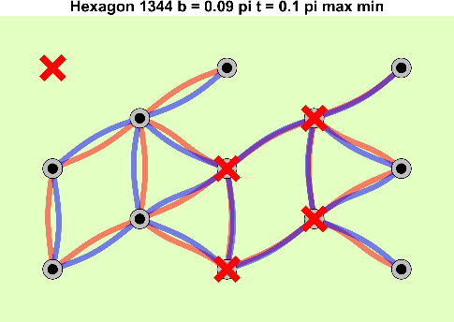 | How did the method find that the graph was connected?
1370 | 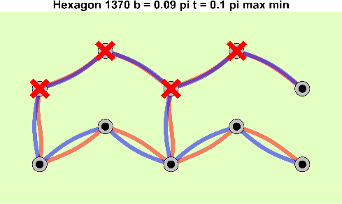
1376 | 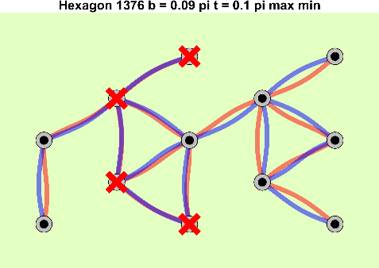 | How did the method find that the graph was connected?
1378 | 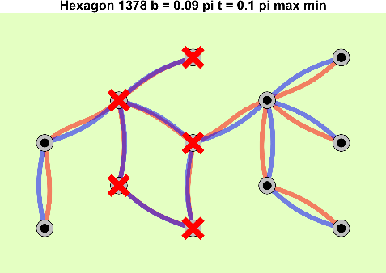 | How did the method find that the graph was connected?
1380 | 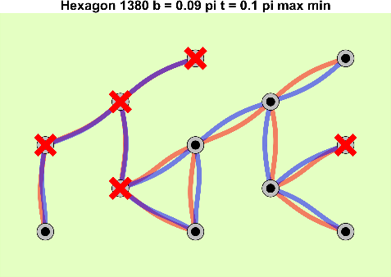 | How did the method find that the graph was connected?
1411 | 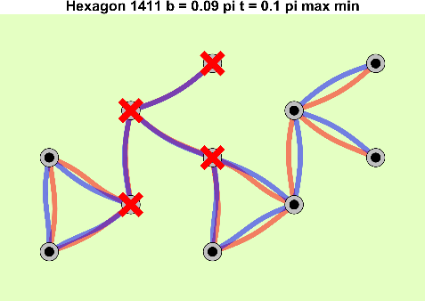 | How did the method find that the graph was connected?
1413 | 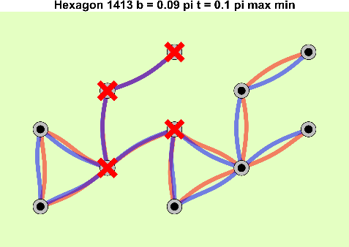 | How did the method find that the graph was connected?
1440 | 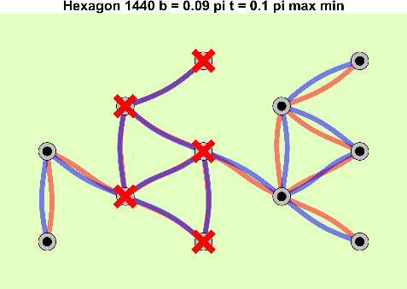 | How did the method find that the graph was connected?
1442 | 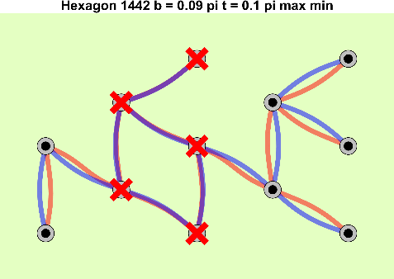 | How did the method find that the graph was connected?
1444 | 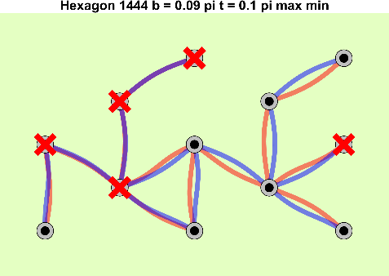 | How did the method find that the graph was connected?
1456 | 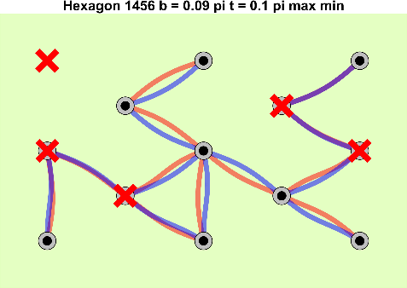 | How did the method find that the graph was connected?
1464 | 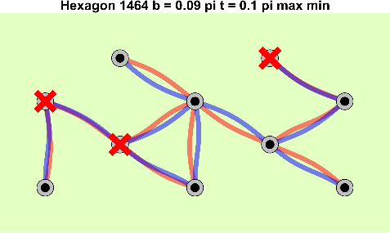 | How did the method find that the graph was connected?
1474 |  | How did the method find that the graph was connected?
1475 |  | How did the method find that the graph was connected?
1476 |  | How did the method find that the graph was connected?
1536 | 
1542 | 
1545 | 
1552 | 
1558 | 
1589 | 
1604 | 
1620 | 
1666 | 
1671 | 
1682 | 
1701 | 
1713 | 
1744 | 
1793 |  | Questionable hinge
1818 | 
1824 | 
1827 |  | How did the method find that the graph was connected?
1866
1880 | 
1891 |  | How did the method find that the graph was connected?
 1926 |  | How did the method find that the graph was connected?
1956 |  | How did the method find that the graph was connected?
1988 |  | How did the method find that the graph was connected?

